Release
 |  |  | 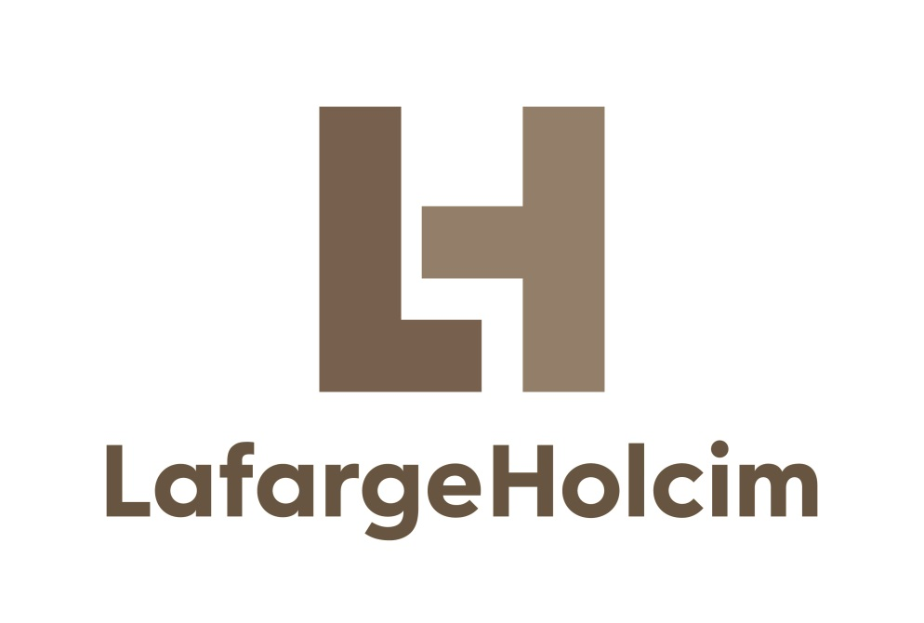
 |  |  |  |  | 2010-12-01

 | 'Failure Mode and Effect Analysis' Software

 |  | Release |  | February 2017
 |  | Version |  | 2.3

 |  |  | ã 2009-2017
 |  |  | Holcim Technology
 |  |  | Cement Industrial Performance
 |  |  | Im Schachen
 |  |  | 5113 Holderbank
 |  |  | Switzerland

ã Holcim Technology 2015. The copyright for this document and all appendices is reserved by Holcim Technology Ltd

Contents
 |  |  |  | 'Failure Modes and Effect Analysis' Software
 |  |  |  | for LafargeHolcim Cement Plants

Plant
Malaysia Training

 |  |  |  |  |  | 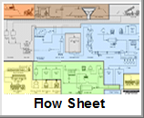

 |  | Importation |  |  |  | Overview of the Considered Area |  | Define Acceptable Risk Level |  | Add Equipment and See Risk
 |  | Creation of the FMEA

 |  |  |  |  |  |  | 

 |  | Help | Settings

 |  |  |  |  | See Possibilities of Improvement |  | Action Plan |  | See All PMR for Each Equipment
 |  | Print FMEA Reports |  |  | Additional Functions - Use when FMEA is done

 | ©Holcim Technology, 2015 - Cement Industrial Performance

Risk Matrix
 | Plant

 | Malaysia Training
 |  | Risk Matrix
Probability (months) |  | Click on a cell to change its status
A |  | Probability | A - Very high (< 3 months)
B |  |  | B - Moderate (< 6 months)
C |  |  | C - Occasional (< 1 year)
D |  |  | D - Remote (< 2-3 years)
E |  |  | E - Unlikely (< 5 years)
F |  |  | F - Very Unlikely (< 20 years)
 |  |  |  | IV : Negligible | III : Moderate | II : High | I : Catastrophic
 |  |  |  | Severity
 |  |  |  | IV | III | II | I
 |  | Length of stop (up to) [days] |  | 2.00 | 6.00 | 9.00 | > 9
 |  | Work cost (up to) [kUSD] |  | 13000.00 | 26000.00 | 40000.00 | > 40000
Grey Cells can be modified by User
 | Severity categories / Comments:

 | Advanced Functions - To Use when FMEA is Completed !

Evolution Chart
Plant
Malaysia Training
Number of Failure Modes within the corresponding Areas of Risk Matrix
 | Red Failure Modes
Initial | 0 | 0
with PM | 0 | 0
with PM + CP | 0 | 0
with PM + CP + SP | 0 | 0
Current Situation | 0 | 0
Share of each Type of Action in the Risk Reduction Process
 | PMR | Contingency Plan | Spare Parts
 | 0 | 0 | 0

 | 0 Failure Modes can be brought in the 'Green' Zone by 3 Types of Actions - 0 by Preventive Maintenance (PM) only - 0 by Contingency plan in addition to PM (CP) - 0 by Spare Parts in addition to CP + PM (SP)

